Detailed Investigation Result
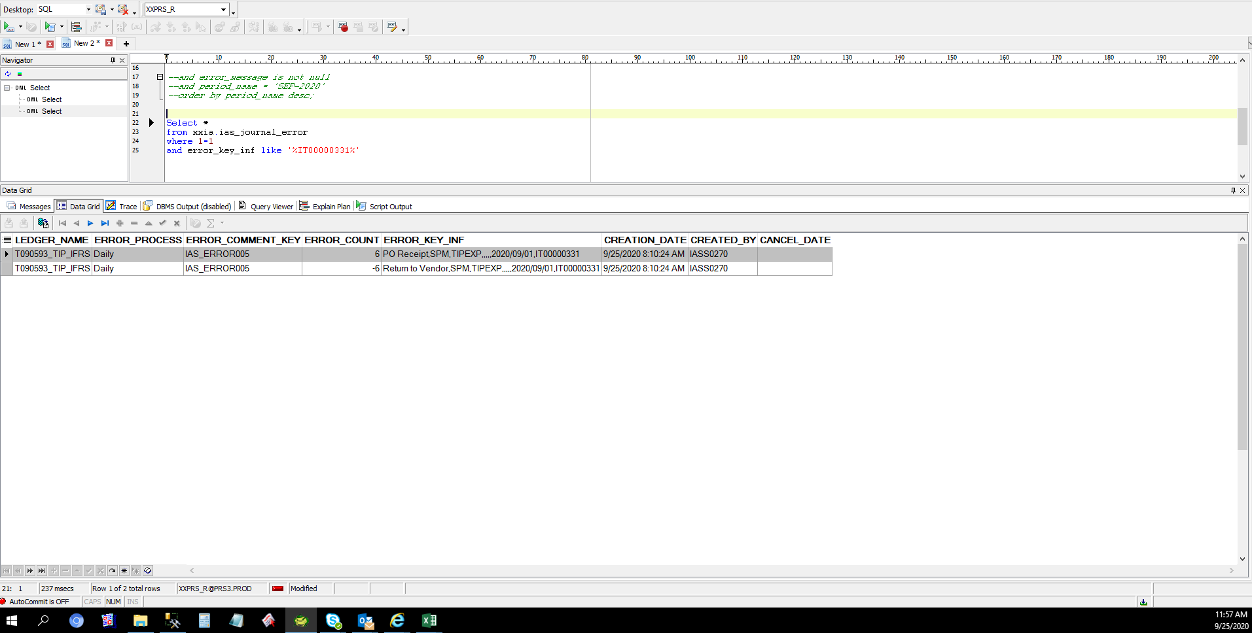
Detailed Investigation Result

 | JE_HEADER_NUM | JE_LINE_NUM | JE_CATEGORY_KEY | USER_JE_SOURCE_NAME | ACCOUNTING_DATE | CR_DR_FLAG | PERIOD_NAME | REFERENCE1 | REFERENCE2 | REFERENCE4 | REFERENCE5 | REFERENCE6 | REFERENCE7 | REFERENCE8 | REFERENCE9 | REFERENCE10 | JGZZ_RECON_REF | TAX_REGIME_CODE | TAX | TAX_STATUS_CODE | TAX_JURISDICTION_CODE | TAX_RATE_CODE | TAX_RATE | TAX_LINE_GROUP | SEGMENT1 | SEGMENT2 | SEGMENT3 | SEGMENT4 | SEGMENT5 | SEGMENT6 | SEGMENT7 | SEGMENT8 | SEGMENT9 | SEGMENT10 | SEGMENT11 | CODE_COMBINATION_ID | ATTRIBUTE1 | ATTRIBUTE2 | ATTRIBUTE3 | ATTRIBUTE4 | ATTRIBUTE5 | ATTRIBUTE6 | ATTRIBUTE7 | ATTRIBUTE8 | ATTRIBUTE9 | ATTRIBUTE10 | ATTRIBUTE11 | ATTRIBUTE12 | ATTRIBUTE13 | ATTRIBUTE14 | ATTRIBUTE15 | ATTRIBUTE16 | ATTRIBUTE17 | ATTRIBUTE18 | ATTRIBUTE19 | ATTRIBUTE20 | XX_ATTRIBUTE1 | XX_ATTRIBUTE2 | XX_ATTRIBUTE3 | XX_ATTRIBUTE4 | XX_ATTRIBUTE5 | XX_ATTRIBUTE6 | XX_ATTRIBUTE7 | XX_ATTRIBUTE8 | XX_ATTRIBUTE9 | XX_ATTRIBUTE10 | XX_ATTRIBUTE11 | XX_ATTRIBUTE12 | XX_ATTRIBUTE13 | XX_ATTRIBUTE14 | XX_ATTRIBUTE15 | XX_ATTRIBUTE16 | XX_ATTRIBUTE17 | XX_ATTRIBUTE18 | XX_ATTRIBUTE19 | XX_ATTRIBUTE20 | XX_ATTRIBUTE21 | XX_ATTRIBUTE22 | XX_ATTRIBUTE23 | XX_ATTRIBUTE24 | XX_ATTRIBUTE25 | XX_ATTRIBUTE26 | XX_ATTRIBUTE27 | XX_ATTRIBUTE28 | XX_ATTRIBUTE29 | XX_ATTRIBUTE30 | XX_ATTRIBUTE31 | XX_ATTRIBUTE32 | XX_ATTRIBUTE33 | XX_ATTRIBUTE34 | XX_ATTRIBUTE35 | XX_ATTRIBUTE36 | XX_ATTRIBUTE37 | XX_ATTRIBUTE38 | XX_ATTRIBUTE39 | XX_ATTRIBUTE40 | XX_ATTRIBUTE41 | XX_ATTRIBUTE42 | XX_ATTRIBUTE43 | XX_ATTRIBUTE44 | XX_ATTRIBUTE45 | ENTERED_DR | ENTERED_CR | ACCOUNTED_DR | ACCOUNTED_CR | CURRENCY_CODE | CURRENCY_CONVERSION_DATE | USER_CURRENCY_CONVERSION_TYPE | CURRENCY_CONVERSION_RATE | STATUS | ACTUAL_FLAG | LEDGER_NAME | INVOICE_ID | DISTRIBUTION_LINE_NUMBER | PROCESS_STATUS | ERROR_FLAG | ERROR_MESSAGE | LEGAL_ENTITY_ID | CREATED_BY | CREATION_DATE | LAST_UPDATED_BY | LAST_UPDATE_DATE | LAST_UPDATE_LOGIN | REQUEST_ID | PROGRAM_APPLICATION_ID | PROGRAM_ID | PROGRAM_UPDATE_DATE | ORG_ID | TRANSACTION_ID
 | 3292752 | 1 | Receiving | Cost Management | 2020-09-21 | C | Sep-20 |  |  |  | 3292752 |  |  |  |  | 6566752 TRICOM DYNAMICS,INC. T0924398002 |  | PHL_REGIME | PHL_VAT | PHL_TAX_STATUS | PHL_JUR | PHLV00 | 0 |  | T090593 | A99 | 0 | 0 | 20201140 | 0 | 0 | PHL | 0 | 0 | 0 | 2002 |  |  |  |  |  |  |  |  |  |  | T0924398002 |  | pcs |  |  |  |  |  |  |  |  |  |  |  |  |  |  |  |  |  |  |  |  |  |  |  |  |  |  |  |  |  |  |  |  |  |  |  |  |  |  |  |  |  |  |  |  |  |  |  |  |  |  |  |  |  | 14892.84 |  | 307.18 | PHP | 2020-09-21 | T000000_PHL_Corporate Rate | 0.020625786358 | U | A | T090593_TIP_IFRS |  |  | ERROR CHECK FAIL |  |  | 23285 | 5023 | 9/22/20 | 5023 | 9/22/20 | 41548457 | 40399550 | 20009 | 64381 | 9/22/20 | 101 | 11432531
 | 3292752 | 2 | Receiving | Cost Management | 2020-09-21 | D | Sep-20 |  |  |  | 3292752 |  |  |  |  | 6566752 TRICOM DYNAMICS,INC. T0924398002 |  | PHL_REGIME | PHL_VAT | PHL_TAX_STATUS | PHL_JUR | PHLV00 | 0 |  | T090593 | A99 | L10 | 0 | 11851110 | 0 | 0 | PHL | 0 | 0 | 0 | 2019 |  |  |  |  |  |  |  |  |  |  | T0924398002 |  | pcs |  |  |  |  |  |  |  |  |  |  |  |  |  |  |  |  |  |  |  |  |  |  |  |  |  |  |  |  |  |  |  |  |  |  |  |  |  |  |  |  |  |  |  |  |  |  |  |  |  |  |  |  | 14892.84 |  | 307.18 |  | PHP | 2020-09-21 | T000000_PHL_Corporate Rate | 0.020625786358 | U | A | T090593_TIP_IFRS |  |  | EXTRACTED |  |  | 23285 | 5023 | 9/22/20 | 5023 | 9/22/20 | 41548457 | 40399550 | 20009 | 64381 | 9/22/20 | 101 | 11432531
 | 3295044 | 1 | Receiving | Cost Management | 2020-09-23 | D | Sep-20 |  |  |  | 3295044 |  |  |  |  | 6566752 TRICOM DYNAMICS,INC. T0924398002 |  | PHL_REGIME | PHL_VAT | PHL_TAX_STATUS | PHL_JUR | PHLV00 | 0 |  | T090593 | A99 | 0 | 0 | 20201140 | 0 | 0 | PHL | 0 | 0 | 0 | 2002 |  |  |  |  |  |  |  |  |  |  | T0924398002 |  | pcs |  |  |  |  |  |  |  |  |  |  |  |  |  |  |  |  |  |  |  |  |  |  |  |  |  |  |  |  |  |  |  |  |  |  |  |  |  |  |  |  |  |  |  |  |  |  |  |  |  |  |  |  | 14892.84 |  | 307.18 |  | PHP | 2020-09-21 | T000000_PHL_Corporate Rate | 0.020625786358 | U | A | T090593_TIP_IFRS |  |  | ERROR CHECK FAIL |  |  | 23285 | 5023 | 9/24/20 | 5023 | 9/24/20 | 41589072 | 40437746 | 20009 | 64381 | 9/24/20 | 101 | 11437796
 | 3295044 | 2 | Receiving | Cost Management | 2020-09-23 | C | Sep-20 |  |  |  | 3295044 |  |  |  |  | 6566752 TRICOM DYNAMICS,INC. T0924398002 |  | PHL_REGIME | PHL_VAT | PHL_TAX_STATUS | PHL_JUR | PHLV00 | 0 |  | T090593 | A99 | L10 | 0 | 11851110 | 0 | 0 | PHL | 0 | 0 | 0 | 2019 |  |  |  |  |  |  |  |  |  |  | T0924398002 |  | pcs |  |  |  |  |  |  |  |  |  |  |  |  |  |  |  |  |  |  |  |  |  |  |  |  |  |  |  |  |  |  |  |  |  |  |  |  |  |  |  |  |  |  |  |  |  |  |  |  |  |  |  |  |  | 14892.84 |  | 307.18 | PHP | 2020-09-21 | T000000_PHL_Corporate Rate | 0.020625786358 | U | A | T090593_TIP_IFRS |  |  | EXTRACTED |  |  | 23285 | 5023 | 9/24/20 | 5023 | 9/24/20 | 41589072 | 40437746 | 20009 | 64381 | 9/24/20 | 101 | 11437796

 | IA Recovery - After Recovery in GL

Actual Operation Evidence
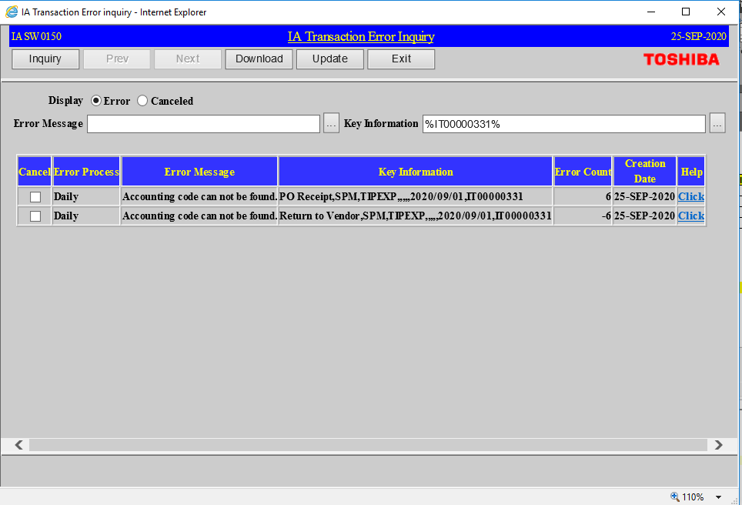
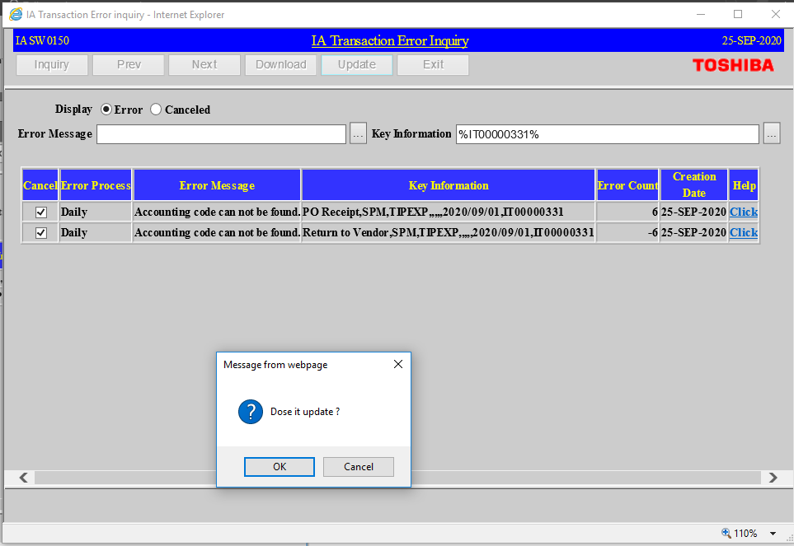
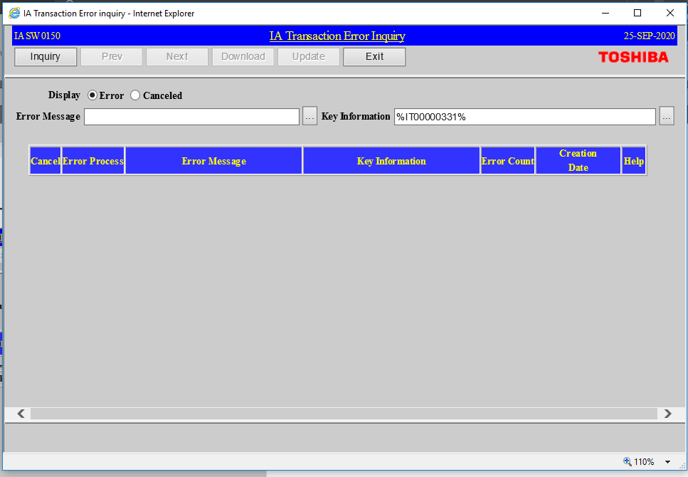
Actual Operation Evidence

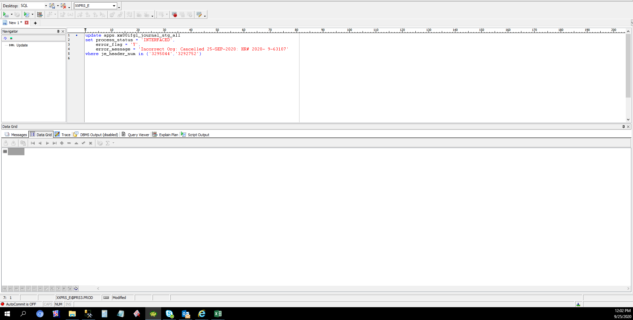

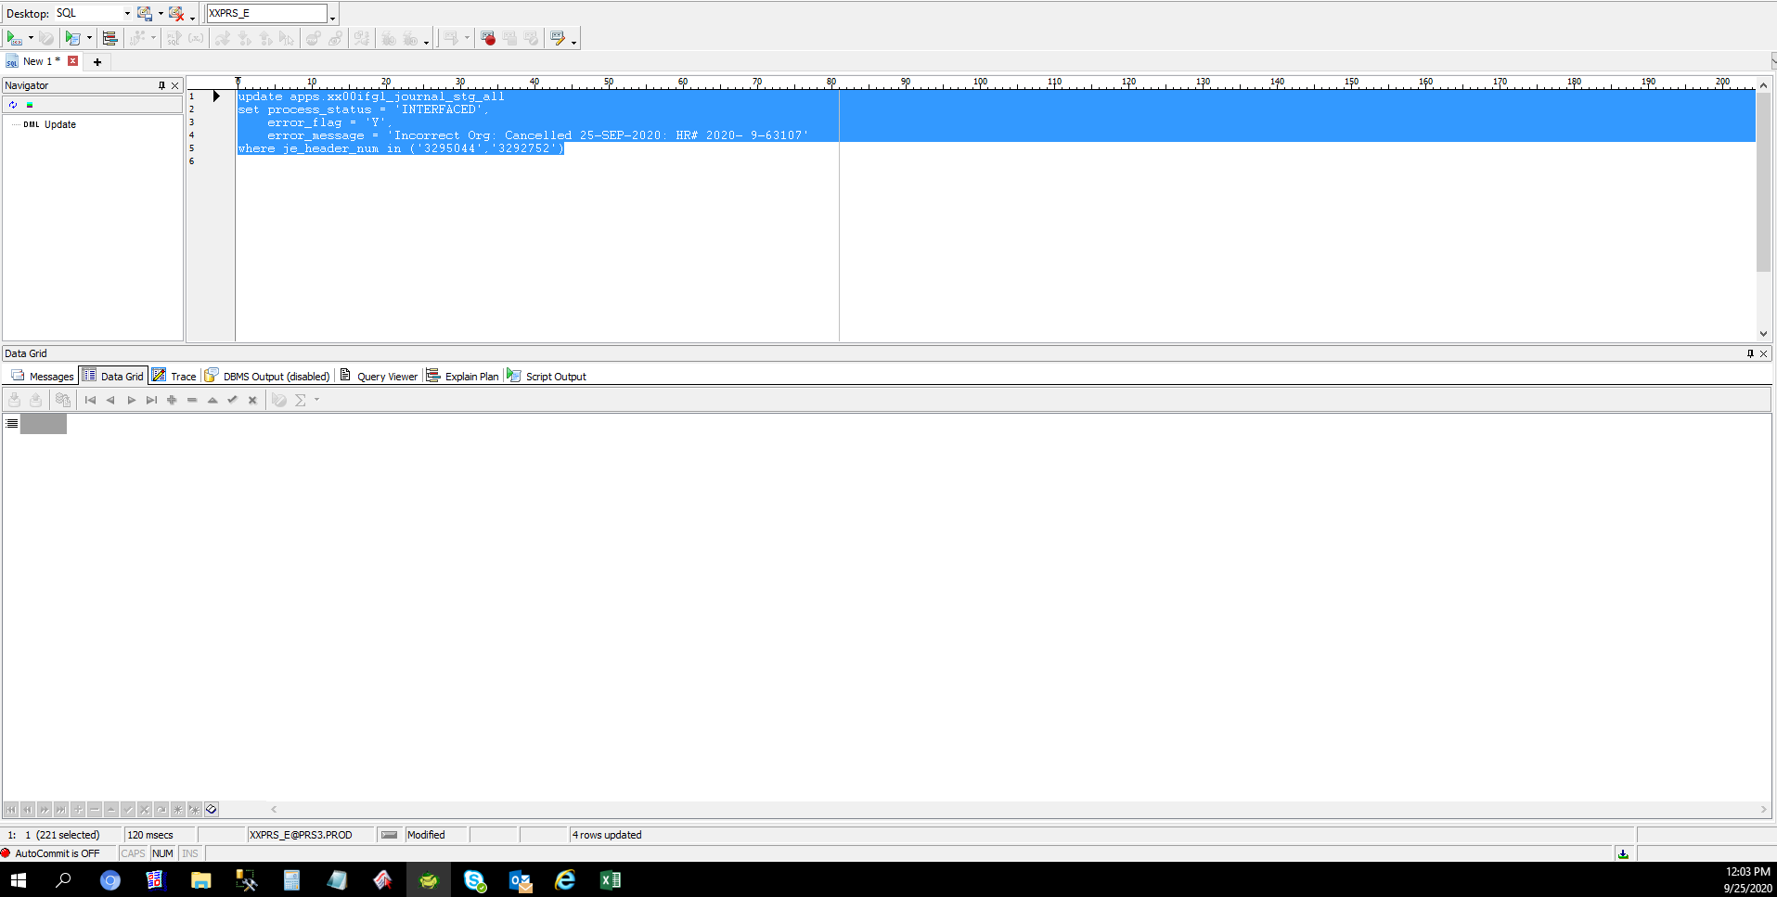

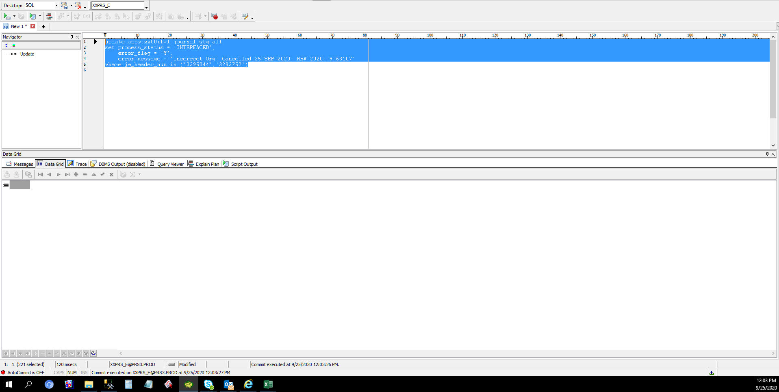

 | IA Recovery - After Recovery in GL

Helpdesk Request
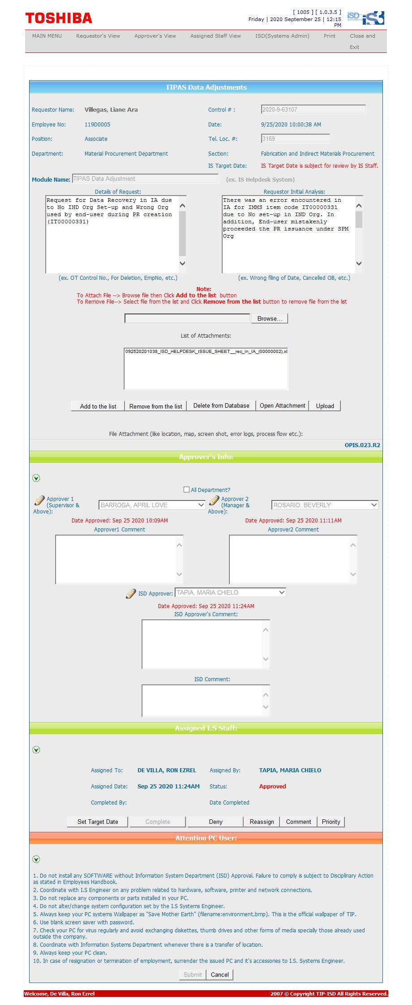
Helpdesk Request

 | ATTACH SCREENSHOT OF HELPDESK REQUEST.

